Welcome
Network Rail Procurement Pipeline

2023-09-19

Please note we are undertaking ongoing cleansing work as well as small adjustments to the pipeline format. Please bear with us whilst we complete this transition, and work hard to provide you with a pipeline that is useful to you.

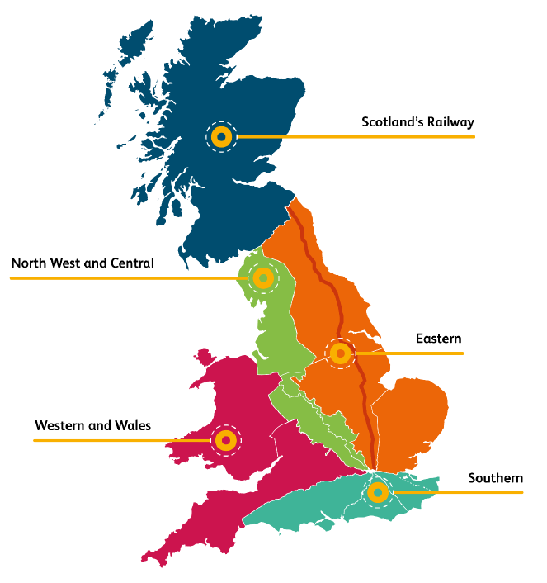
The pipeline is split into regions as well as a national overview, to give you a complete view of Network Rail's upcoming procurement opportunities.

